Sheet1
Authority Document |  | Policy Document |  |  | Control Objective (Child Table of Policy Document) |  |  | Entity Type
1 | ISO 27001 | 1 | Data Security |  | 1 | Maintain Password Reset |  | IT Application | Critical IT Application | Non-Critical IT Application | PhysicalAccess Process | Building | Location | Finance Prcesses
2 | Statutes (Bills or Acts) | 2 | Facility Management |  | 1 & 2 | User ID Card Policy
3 | International or National Standard | 3 | Information management policy |  | 1 & 2 | Talgate Policy |  | Entity |  |  |  |  |  |  | Filter conditions are added on 'Entity Type' table to further specify which records should generate entities
4 | GDPR | 4 | Incident Management |  | 2 | Data Center Policy |  | Employee Password Reset | Application Password Rest | HR | Employee ID Card | xxxx | Delhi | Revenue
5 | HiPPA |  |  |  | 1 & 2 | BCM |  | Contractor Password Rest | Server Password Reset | Onboarding | Contractor ID Card | xxxxx | USA | Payroll
 |  |  |  |  | 4 | Security Incidnets etc. |  | HR | Finance | Payroll | Visitor ID Card |  |  | Tax
 |  |  |  |  | 4 | Non- Security Incidnets etc.
 |  |  |  |  |  |  | Controls | Password reset = 60 Days | Password reset = 30 Days + 2 level Approval |  | Controls are measuring complaince |  |  |  | Control attestation- allows control owner to verify that the control is measured.

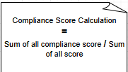
 |  |  |  | Risk Management
 | Risk Statement generate individual risks when we scope risk statement with 'Entity Types'. So it will generate individual risk for each entity |  |  | Risks Assessment |  | Risk Framework
 |  |  |  | Risks Appetite |  | Risk Statement |  | Entity Class
 |  |  |  | Risks Profile |  | Risks |  | User
 |  |  |  | Risks Tolerance |  |  |  | Facility |  |  |  |  |  | After all attestations are completed, a job is executed to reevaluate the score.
 |  |  |  |  |  |  |  | Application |  |  |  |  |  | Scheduled script Execution - Compliance Score'

 |  |  |  |  |  |  |  | Facility

Sheet2
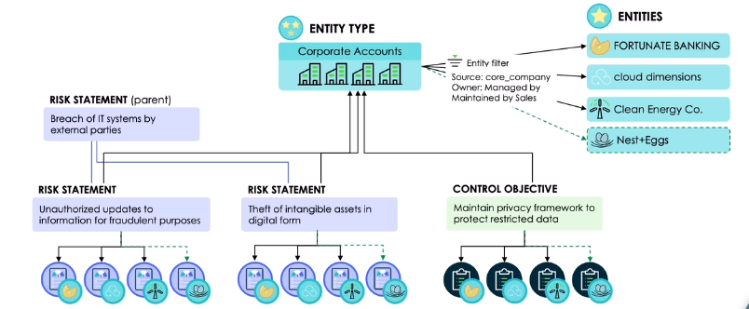
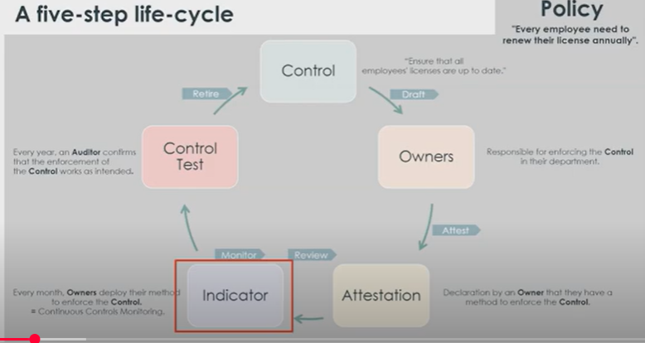
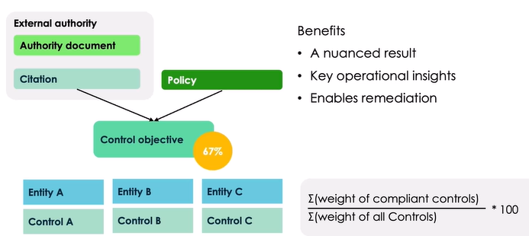
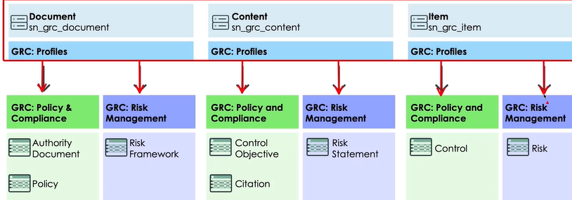
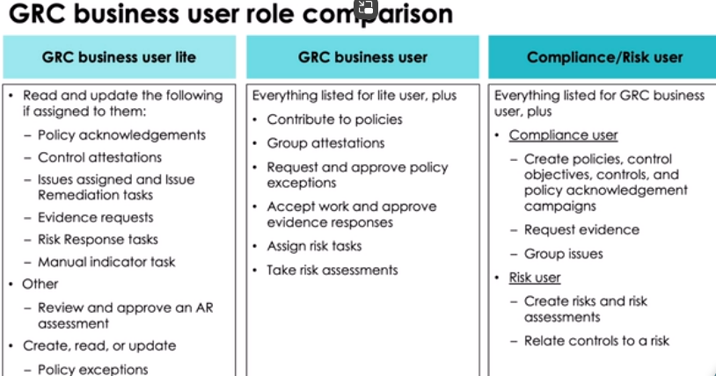

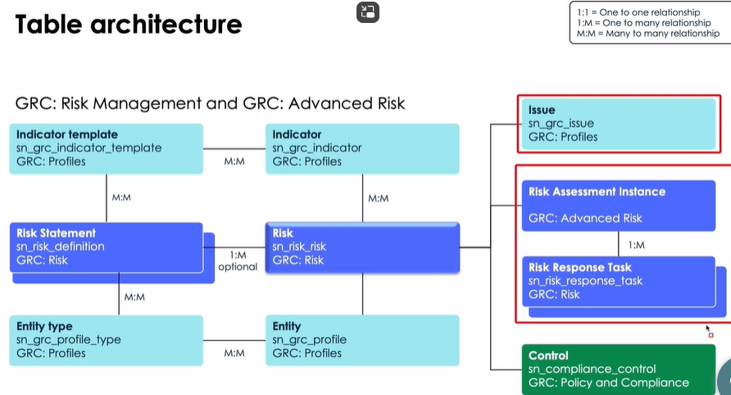

Create a risk assessment using the Risk Assessment Designer

